RK3588 EVB（double PMIC）scene
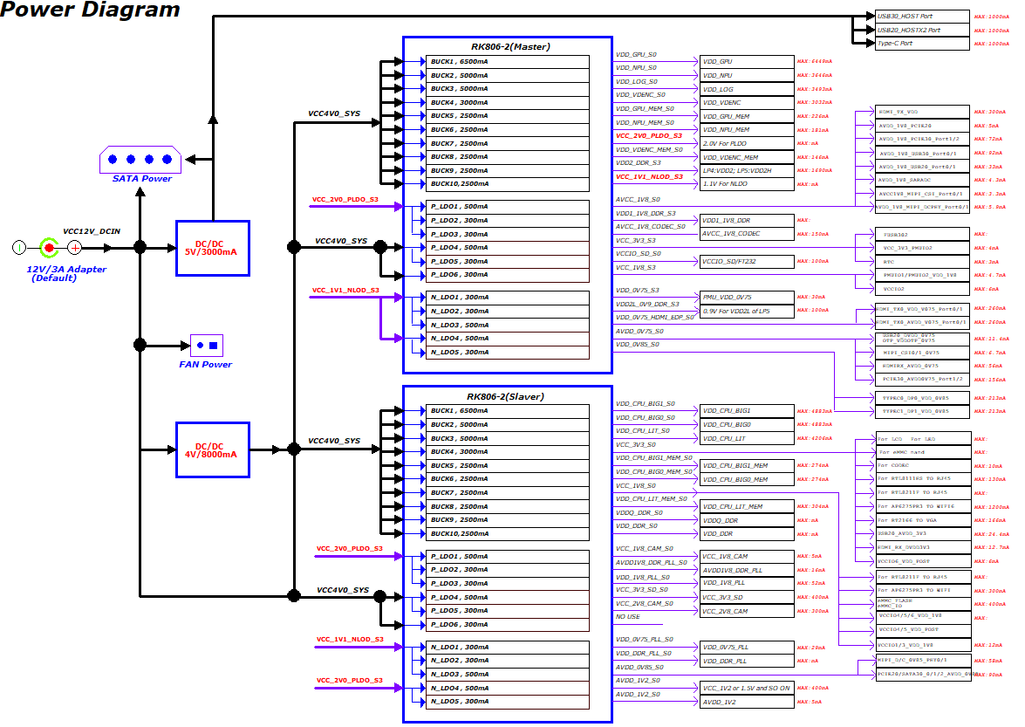
RK3588 EVB (DUAL PMIC）case power consumption |  | Main Board: | RK3588_RK806_2(双PMIC) |  |  |  |  |  | There is a reference for power comsumption data of OVERRALL based on various application scenes of the RK3588 EVB1 Board. Reminder:The following is the test data on the RK3588 EVB1 board, which is for design reference only and does not represent the final capability of the chip. Due to a strong relationship between power comsumption and the actual application scenarios of the product, if you have a request for in-depth optimization, you can further discuss with RK technical support team.
 |  | environment: | 23℃ room temperature，No heat sink
 |  | Configure： | Hardware configure:LPDDR4X(8GB)+EMMC(32GB); Turn off unnecessary peripherals and only keep 1 USB30-OTG, 1 USB20-HOST, 1 PCIE20-WIFI
Scenes | DDR frequency | SOC Junction Temperature （℃） | VCC5V0_SYS |  | VDD_CPU_BIG0_S0 |  | VDD_CPU_BIG0_MEM_S0 |  | VDD_CPU_BIG1_S0 |  | VDD_CPU_BIG1_MEM_S0 |  | VDD_CPU_LIT_S0 |  | VDD_CPU_LIT_MEM_S0 |  | VDD_DDR_S0 |  | VDDQ_DDR_S0 |  | VDD_LOG_S0 |  | VDD_GPU_S0 |  | VDD_GPU_MEM_S0 |  | VDD_NPU_S0 |  | VDD_NPU_MEM_S0 |  | VDD_VDENC_S0 |  | VDD_VDENC_MEM_S0 |  | VDD2_DDR_S3
Static desktop | 528 | 31.461 | 5.011 | 264.5 | 0.673 | 3.5 | 0.677 | 0.3 | 0.675 | 2.8 | 0.674 | 0.2 | 0.674 | 28.9 | 0.676 | 1.2 | 0.673 | 94.3 | 0.597 | 15.4 | 0.697 | 151.9 | 0.009 | 0.4 | 0.009 | 0 | 0.749 | 2.7 | 0.752 | 0.4 | 0.751 | 3.5 | 0.748 | 0.7 | 1.104 | 26.5
Static desktop-without screen | 528 | 31.461 | 5.012 | 108.8 | 0.673 | 3.5 | 0.677 | 0.3 | 0.675 | 2.8 | 0.674 | 0.2 | 0.674 | 30.5 | 0.676 | 1.2 | 0.673 | 97.9 | 0.597 | 16.1 | 0.697 | 152.4 | 0.033 | 1.4 | 0.033 | 0.1 | 0.749 | 2.7 | 0.752 | 0.4 | 0.751 | 3.5 | 0.748 | 0.7 | 1.104 | 29.1
4K video 30FPS | 528 | 33.307 | 5.011 | 380.2 | 0.673 | 2.9 | 0.676 | 0.3 | 0.675 | 3.4 | 0.674 | 0.3 | 0.675 | 81 | 0.675 | 2.7 | 0.67 | 207.6 | 0.596 | 68 | 0.697 | 199.9 | 0.004 | 0.2 | 0.004 | 0 | 0.749 | 2.9 | 0.752 | 0.4 | 0.749 | 89.4 | 0.746 | 6 | 1.102 | 105.2
4K video 30FPS-without screen | 528 | 33.307 | 5.012 | 218.8 | 0.673 | 2.9 | 0.676 | 0.3 | 0.675 | 3.5 | 0.674 | 0.3 | 0.675 | 81.9 | 0.675 | 2.7 | 0.67 | 209.1 | 0.596 | 68.6 | 0.697 | 200.2 | 0.005 | 0.2 | 0.005 | 0 | 0.749 | 2.9 | 0.752 | 0.4 | 0.749 | 90.7 | 0.746 | 6.1 | 1.102 | 106.2
Wow Fish 3 | 528 | 33.307 | 5.011 | 390.7 | 0.673 | 8.1 | 0.676 | 0.5 | 0.675 | 3.7 | 0.674 | 0.3 | 0.676 | 133.5 | 0.675 | 3.5 | 0.67 | 206.8 | 0.597 | 51.6 | 0.697 | 179.4 | 0.672 | 133.9 | 0.671 | 5.3 | 0.749 | 3 | 0.752 | 0.4 | 0.751 | 3.9 | 0.748 | 0.8 | 1.102 | 104.1
Wow Fish 3-without screen | 528 | 33.307 | 5.012 | 228.2 | 0.673 | 4.2 | 0.676 | 0.4 | 0.675 | 3.7 | 0.674 | 0.3 | 0.676 | 137.6 | 0.675 | 3.6 | 0.67 | 206.9 | 0.597 | 51.3 | 0.697 | 179.4 | 0.672 | 134.3 | 0.671 | 5.3 | 0.749 | 3 | 0.752 | 0.4 | 0.751 | 3.9 | 0.748 | 0.8 | 1.102 | 104.1
Riptide GP 2 | 528~1068 | 35.153 | 5.011 | 462.8 | 0.673 | 96.4 | 0.674 | 2.6 | 0.675 | 5.8 | 0.674 | 0.3 | 0.719 | 191.8 | 0.721 | 4 | 0.674 | 236.6 | 0.596 | 69.2 | 0.699 | 172.9 | 0.701 | 313.2 | 0.699 | 11.7 | 0.749 | 3.2 | 0.752 | 0.5 | 0.751 | 4.1 | 0.747 | 0.8 | 1.102 | 114.6
Riptide GP 2-without screen | 528~1068 | 35.153 | 5.012 | 304.5 | 0.673 | 103 | 0.674 | 2.7 | 0.675 | 5.6 | 0.674 | 0.3 | 0.716 | 185.3 | 0.718 | 4 | 0.675 | 237.4 | 0.596 | 69.5 | 0.699 | 173.6 | 0.7 | 325.2 | 0.698 | 12.1 | 0.749 | 3.3 | 0.752 | 0.5 | 0.751 | 4.2 | 0.747 | 0.8 | 1.102 | 115
Static desktop -with WiFi | 528 | 31.461 | 5.011 | 284.7 | 0.673 | 3.4 | 0.676 | 0.3 | 0.675 | 3.2 | 0.674 | 0.2 | 0.674 | 28.9 | 0.676 | 1.2 | 0.673 | 90.5 | 0.597 | 14.7 | 0.697 | 151.1 | 0 | 0 | 0 | 0 | 0.749 | 2.7 | 0.752 | 0.4 | 0.751 | 3.5 | 0.748 | 0.7 | 1.104 | 23.8
Static desktop -with WiFi and without screen | 528 | 31.461 | 5.012 | 127.6 | 0.673 | 3.2 | 0.676 | 0.3 | 0.675 | 3 | 0.674 | 0.2 | 0.674 | 31.3 | 0.676 | 1.2 | 0.673 | 90.3 | 0.597 | 14.6 | 0.697 | 150.9 | 0 | 0 | 0 | 0 | 0.749 | 2.7 | 0.752 | 0.4 | 0.751 | 3.4 | 0.748 | 0.7 | 1.104 | 23.5
iQIYI video | 528 | 35.153 | 5.012 | 435.5 | 0.673 | 24.7 | 0.675 | 1.2 | 0.676 | 5.4 | 0.674 | 0.3 | 0.677 | 118.6 | 0.676 | 3.6 | 0.67 | 200 | 0.597 | 44.9 | 0.697 | 190.3 | 0.66 | 67.8 | 0.659 | 2.8 | 0.749 | 3.2 | 0.752 | 0.4 | 0.751 | 18.4 | 0.747 | 1.6 | 1.103 | 98
iQIYI video-without screen | 528 | 35.153 | 5.013 | 266.2 | 0.675 | 15.7 | 0.678 | 0.8 | 0.678 | 10.2 | 0.677 | 0.5 | 0.684 | 134.5 | 0.684 | 3.8 | 0.671 | 201.1 | 0.597 | 43.3 | 0.697 | 173.5 | 0.672 | 62.9 | 0.671 | 2.8 | 0.749 | 3.1 | 0.752 | 0.4 | 0.751 | 3.9 | 0.748 | 0.8 | 1.103 | 96.9
Standby | 528 | 29.615 | 5.012 | 78.1 | 0.673 | 2.7 | 0.677 | 0.3 | 0.675 | 3 | 0.674 | 0.2 | 0.674 | 29.5 | 0.676 | 1.1 | 0.674 | 68.8 | 0.598 | 5.3 | 0.697 | 99.5 | 0 | 0 | 0 | 0 | 0.749 | 2.6 | 0.752 | 0.4 | 0.751 | 3.4 | 0.748 | 0.7 | 1.105 | 5

RK3588 NVR (single PMIC)-Linux
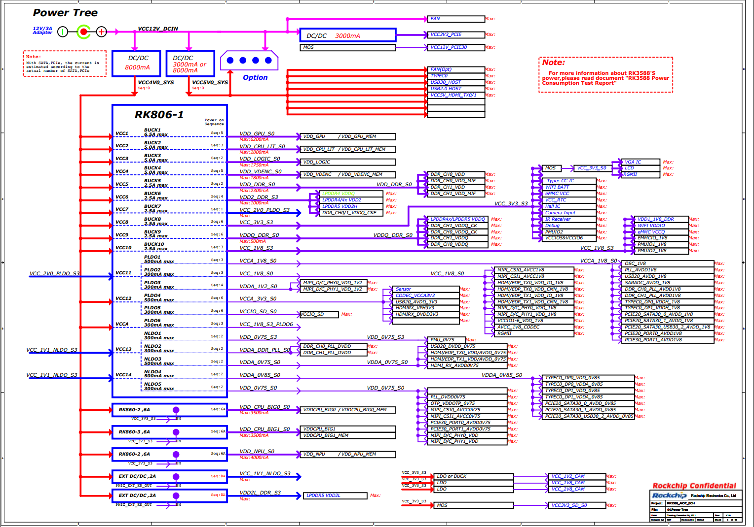
The power comsumption of NVR－ordinary temperature
Environment: 55℃ incubator temperature,SOC Junction Temperature 70℃ Heat Dissipation: Heat sink with fan,But the fan no work. Test Method: Record the power comsumption when EVB worked steadily and run for 15 mins. Operating Scenes: 16-way*1080P60 encode; Decoder by 147－way Lane D1; 24－way NN-8 frame output; emulate_load: 25 threads;Iperf 640M transmit-receive Hard disk write:2560Mbits/s; 3*4KP30 display;
Power Level
1 | 2 | 3 | 4 | 5 | 6 | Voltage（V） | Avg current(mA) | Avg power consumption(mW) | 估算SOC功耗 | 备注
 | VCC4V0_SYS |  |  |  |  | 4.049V | 3250.20mA | 13160.060mW
 |  | VDD_GPU |  |  |  | 0.802V | 1057.90mA | 848.436mW | 848.436mW
 |  | VDD_CPU_LIT |  |  |  | 0.952V | 1370.20mA | 1304.430mW | 1304.430mW
 |  | VDD_NPU |  |  |  | 0.836V | 355.70mA | 297.365mW | 297.365mW
 |  | VDD_LOG |  |  |  | 0.754V | 873.30mA | 658.468mW | 658.468mW
 |  | VDD_VDENC |  |  |  | 0.754V | 300.20mA | 226.351mW | 226.351mW
 |  | VDD_DDR |  |  |  | 0.860V | 1754.40mA | 1508.784mW | 1508.784mW
 |  | VDD2_DDR |  |  |  | 1.082V | 660.10mA | 714.228mW |  | LPDDR4x颗粒
 |  | VCC_2V0_PLDO
 |  |  | VCCA_1V8 |  |  | 1.794V | 77.90mA | 139.753mW | 139.753mW
 |  |  | VCC1V8_IMAGE |  |  | 1.791V | 110.20mA | 197.368mW | 197.368mW
 |  |  | VDDA1V2_IMAGE |  |  | 1.119V | 1.40mA | 1.567mW | 1.567mW
 |  | VCC_3V3 |  |  |  | 3.315V | 321.50mA | 1065.773mW | 106.577mW | 按10%估算
 |  | VDDQ_DDR |  |  |  | 0.592V | 300.30mA | 177.778mW | 88.889mW | 按50%估算
 |  | VCC_1V8 |  |  |  | 1.822V | 132.80mA | 241.962mW | 120.981mW | 按50%估算
 |  | VCCA_3V3 |  |  |  |  |  | 0.000mW |  | 非SOC供电
 |  | VCCIO_SD
 |  | VCCA1V8_PLDO6 |  |  |  |  |  | 0.000mW |  | 非SOC供电
 |  | VCC_1V1_NLDO
 |  |  | VDDA_0V75_PMU |  |  | 0.751V | 12.20mA | 9.162mW | 9.162mW
 |  |  | VDDA0V75_IMAGE |  |  | 0.746V | 36.40mA | 27.154mW | 27.154mW
 |  |  | VDDA_0V85 |  |  | 0.842V | 232.00mA | 195.344mW | 195.344mW
 |  |  | VDDA_0V75 |  |  | 0.746V | 35.50mA | 26.483mW | 26.483mW
 |  |  | VDDA_DDR_PLL_S0 |  |  | 0.843V | 12.40mA | 10.453mW | 10.453mW
 |  | VDD_CPU_BIG0 |  |  |  | 0.980V | 1087.20mA | 1065.456mW | 1065.456mW
 |  | VDD_CPU_BIG1 |  |  |  | 0.973V | 1269.90mA | 1235.613mW | 1235.613mW
 |  |  |  |  |  |  |  | SOC极限功耗： | 8068.634mW

Chip Thermal Characteristics
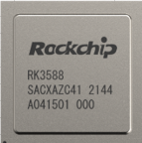
Thermal Design Suggestion:
1. RK3588 is FCBGA 23*23 package, and comes with heat sink, lower thermal resistance and better heat dissipation.
2. RK3588S is FCCSP 17*17 package, and the die is directly exposed. The thermal resistance is optimal when the external heat sink is in reliable contact.
3. It is generally considered based on the average power consumption instead of the peak power in a very short time (ms level).
4.The extreme thermal power of RK3588 Thermal Design Power (TDP) is considered as 15W (special scenarios need to be constructed, and the bandwidth conflict during actual calling is not considered); It is recommended that if the structure space and cost are suitable, sufficient heat dissipation design can be carried out according to 15W TDP.
5. For the limited products , you can think about the heat dissipation design according to the actual application environment and scenarios. For example, NVR products with back-end AI processing are considered as >=12W, but depend on the user's choice.
6. The standard SDK software has a thermal management strategy. When the temperature is too high,the frequency and voltage will be reduced to ensure that the junction temperature of the chip does not exceed the tolerance limit. Thus, if the heat dissipation is poor, it will affect the performance of the product.

